statment
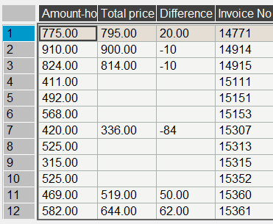
Booking No. | Invoice No. | Res_date | Arrival | Departure | Rate code | Night | Rate $ | Amount-hotel | pax
116314653734 | 14682 | 15/10/2024 | 21/12/2024 | 01/01/2025 | DBL-DEX | 11 | 72-86-40-10 | 954.00 | 2.5
116304655553 | 14683 | 28/10/2024 | 23/12/2024 | 01/01/2025 | DBL-DEX | 9 | 72-86-40 | 800.00 | 2
116374658025 | 14684 | 07/11/2024 | 22/12/2024 | 01/01/2025 | DBL-DEX | 10 | 72-86-40 | 872.00 | 2
116314659828 | 14698 | 16/11/2024 | 22/12/2024 | 02/01/2025 | SGL-DEX | 11 | 48-61-20 | 665.00 | 1
119364656662 | 14699 | 02/11/2024 | 26/12/2024 | 02/01/2025 | DBL-DEX | 7 | 86-40 | 642.00 | 2
116304659858 | 14700 | 17/11/2024 | 26/12/2024 | 02/01/2025 | DBL-DEX | 7 | 76-40 | 572.00 | 2
116384661255 | 14701 | 22/11/2024 | 24/12/2024 | 02/01/2025 | TPL-DEX | 9 | 105-60 | 1,005.00 | 3
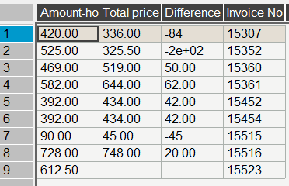
116364656730 | 14769 | 05/11/2024 | 21/12/2024 | 03/01/2025 | DBL-DEX | 13 | 72-86-40 | 1,116.00 | 2
116364656730 | 14770 | 05/11/2024 | 21/12/2024 | 03/01/2025 | DBL-DEX | 13 | 72-86-40 | 1,116.00 | 2
116394658904 | 14771 | 19/11/2024 | 27/12/2024 | 03/01/2025 | TPL-DEX | 7 | 105-40 | 795.00 | 3
116374658964 | 14848 | 20/11/2024 | 29/12/2024 | 04/01/2025 | DBL-DEX | 6 | 76-40 | 496.00 | 2
116374658964 | 14849 | 20/11/2024 | 29/12/2024 | 04/01/2025 | DBL-DEX | 6 | 76-40 | 496.00 | 2
116334651312 | 14864 | 17/09/2024 | 22/12/2024 | 05/01/2025 | DBL-DEX | 14 | 72-102-140 | 1,508.00 | 2
116364658901 | 14865 | 16/11/2024 | 25/12/2024 | 05/01/2025 | TPL-DEX | 11 | 105-60 | 1,215.00 | 3
116384654349 | 14912 | 21/10/2024 | 27/12/2024 | 06/01/2025 | DBL-DEX | 10 | 86-40 | 900.00 | 2
116384654349 | 14913 | 21/10/2024 | 27/12/2024 | 06/01/2025 | DBL-DEX | 10 | 86-40 | 900.00 | 2
116384654349 | 14914 | 21/10/2024 | 27/12/2024 | 06/01/2025 | DBL-DEX | 10 | 86-40-10 | 910.00 | 2.5
116304656857 | 14915 | 03/11/2024 | 28/12/2024 | 06/01/2025 | DBL-DEX | 9 | 86-40-10 | 824.00 | 2.5
116304656857 | 14916 | 03/11/2024 | 28/12/2024 | 06/01/2025 | DBL-DEX | 9 | 86-40 | 814.00 | 2
115355100142 | 14960 | 27/09/2024 | 02/01/2025 | 07/01/2025 | DBL-DEX | 5 | 102.00 | 510.00 | 2
116394659864 | 14961 | 17/11/2024 | 31/12/2024 | 07/01/2025 | DBL-DEX | 7 | 76-40 | 572.00 | 2
116314655745 | 14962 | 29/10/2024 | 31/12/2024 | 07/01/2025 | DBL-DEX | 7 | 86-40 | 642.00 | 2
116394661270 | 14963 | 22/11/2024 | 31/12/2024 | 07/01/2025 | TPL-DEX | 7 | 105-60 | 795.00 | 3
116354660613 | 14964 | 20/11/2024 | 30/12/2024 | 07/01/2025 | TPL-DEX | 8 | 105-60 | 900.00 | 3
116324660320 | 14965 | 21/11/2024 | 30/12/2024 | 07/01/2025 | DBL-DEX | 8 | 76-40 | 648.00 | 2
116325107909 | 14985 | 27/12/2024 | 02/01/2025 | 08/01/2025 | DBL-DEX | 6 | 76.00 | 456.00 | 2
116365100164 | 15013 | 02/08/2024 | 03/01/2025 | 09/01/2025 | DBL-DEX | 6 | 102.00 | 612.00 | 2
116304656390 | 15014 | 02/11/2024 | 26/12/2024 | 09/01/2025 | DBL-DEX | 14 | 86-40 | 1,244.00 | 2
116345102043 | 15068 | 29/10/2024 | 05/01/2025 | 11/01/2025 | DBL-DEX | 6 | 86.00 | 516.00 | 2
116345102043 | 15069 | 29/10/2024 | 05/01/2025 | 11/01/2025 | DBL-DEX | 6 | 86.00 | 516.00 | 2
116305104272 | 15109 | 12/12/2024 | 05/01/2025 | 12/01/2025 | DBL-DEX | 7 | 76-56 | 512.00 | 2
116305104272 | 15110 | 12/12/2024 | 05/01/2025 | 12/01/2025 | SGL-DEX | 7 | 61-45 | 411.00 | 1
115395100436 | 15111 | 04/01/2025 | 05/01/2025 | 12/01/2025 | SGL-DEX | 7 | 61-45 | 411.00 | 1
116365106043 | 15112 | 21/12/2024 | 05/01/2025 | 12/01/2025 | TPL-DEX | 7 | 105-75 | 705.00 | 3
116345103033 | 15151 | 16/11/2024 | 06/01/2025 | 13/01/2025 | DBL-DEX | 7 | 76-56 | 492.00 | 2
116385104072 | 15152 | 09/12/2024 | 06/01/2025 | 13/01/2025 | DBL-DEX | 7 | 76-56 | 492.00 | 2
116345102951 | 15153 | 21/11/2024 | 05/01/2025 | 13/01/2025 | DBL-DEX | 8 | 76-56 | 568.00 | 2
116355110520 | 15179 | 06/01/2025 | 06/01/2025 | 14/01/2025 | DBL-DEX | 8 | 76-56 | 548.00 | 2
116385108155 | 15180 | 28/12/2024 | 06/01/2025 | 14/01/2025 | DBL-DEX | 8 | 76-56 | 548.00 | 2
116385108155 | 15181 | 28/12/2024 | 06/01/2025 | 14/01/2025 | DBL-DEX | 8 | 76-56 | 548.00 | 2
116345110048 | 15182 | 03/01/2025 | 06/01/2025 | 14/01/2025 | DBL-DEX | 8 | 76-56 | 548.00 | 2
115305100734 | 15206 | 07/01/2025 | 08/01/2025 | 15/01/2025 | SGL-DEX | 7 | 61-45 | 363.00 | 1
116355110414 | 15207 | 06/01/2025 | 09/01/2025 | 15/01/2025 | TPL-DEX | 6 | 105-75 | 510.00 | 3
116345103392 | 15236 | 03/12/2024 | 09/01/2025 | 16/01/2025 | DBL-DEX | 7 | 76-56 | 432.00 | 2
116315106789 | 15237 | 24/12/2024 | 09/01/2025 | 16/01/2025 | DBL-DEX | 7 | 76-56 | 432.00 | 2
116335111730 | 15238 | 09/01/2025 | 09/01/2025 | 16/01/2025 | SGL-DEX | 7 | 61-45 | 347.00 | 1
116395110357 | 15239 | 09/01/2025 | 10/01/2025 | 16/01/2025 | SGL-DEX | 6 | 61-45 | 286.00 | 1
116335101472 | 15305 | 25/10/2024 | 12/01/2025 | 18/01/2025 | DBL-DEX | 6 | 62.00 | 372.00 | 2
166335101472 | 15306 | 25/10/2024 | 12/01/2025 | 18/01/2025 | DBL-DEX | 6 | 62.00 | 372.00 | 2
116375110157 | 15307 | 09/01/2025 | 12/01/2025 | 18/01/2025 | DBL-BUNG | 6 | 70.00 | 420.00 | 2
116375110492 | 15308 | 07/01/2025 | 12/01/2025 | 18/01/2025 | DBL-BUNG | 6 | 70.00 | 420.00 | 2
115355100685 | 15309 | 09/01/2025 | 09/01/2025 | 18/01/2025 | DBL-DEX | 9 | 76-56 | 544.00 | 2
116385110806 | 15310 | 06/01/2025 | 11/01/2025 | 18/01/2025 | DBL-DEX | 7 | 56.00 | 392.00 | 2
116325111432 | 15311 | 09/01/2025 | 11/01/2025 | 18/01/2025 | SGL-DEX | 7 | 45.00 | 315.00 | 1
116375109649 | 15312 | 04/01/2025 | 11/01/2025 | 18/01/2025 | SGL-DEX | 7 | 45.00 | 315.00 | 1
116375106235 | 15313 | 21/12/2024 | 11/01/2025 | 18/01/2025 | TPL-DEX | 7 | 75.00 | 525.00 | 3
116375109489 | 15314 | 03/01/2025 | 11/01/2025 | 18/01/2025 | DBL-DEX | 7 | 56.00 | 392.00 | 2
116305108553 | 15315 | 31/12/2024 | 11/01/2025 | 18/01/2025 | SGL-DEX | 7 | 45.00 | 315.00 | 1
116315110472 | 15316 | 07/01/2025 | 11/01/2025 | 18/01/2025 | DBL-DEX | 7 | 56.00 | 392.00 | 2
116385107530 | 15317 | 26/12/2024 | 11/01/2025 | 18/01/2025 | SGL-DEX | 7 | 45.00 | 315.00 | 1
116305105439 | 15318 | 17/12/2024 | 07/01/2025 | 18/01/2025 | DBL-DEX | 11 | 76-56 | 696.00 | 2
116305105439 | 15319 | 17/12/2024 | 07/01/2025 | 18/01/2025 | DBL-DEX | 11 | 76-56 | 696.00 | 2
116395109085 | 15320 | 31/12/2024 | 07/01/2025 | 18/01/2025 | DBL-DEX | 11 | 76-56 | 696.00 | 2
116355101146 | 15351 | 03/10/2024 | 12/01/2025 | 19/01/2025 | DBL-DEX | 7 | 62.00 | 434.00 | 2
116355101146 | 15352 | 03/10/2024 | 12/01/2025 | 19/01/2025 | SGL-CH | 7 | 50-25 | 525.00 | 1
116355110674 | 15353 | 07/01/2025 | 14/01/2025 | 19/01/2025 | DBL-DEX | 5 | 56.00 | 280.00 | 2
116325109767 | 15354 | 07/01/2025 | 12/01/2025 | 19/01/2025 | DBL-DEX | 7 | 56.00 | 392.00 | 2
116355101320 | 15355 | 10/10/2024 | 12/01/2025 | 19/01/2025 | DBL-DEX | 7 | 62.00 | 434.00 | 2
115365100655 | 15356 | 07/01/2025 | 12/01/2025 | 19/01/2025 | DBL-DEX | 7 | 56.00 | 392.00 | 2
116375111635 | 15357 | 09/01/2025 | 12/01/2025 | 19/01/2025 | DBL-DEX | 7 | 56.00 | 392.00 | 2
116365106654 | 15358 | 23/12/2024 | 12/01/2025 | 19/01/2025 | DBL-BUNG | 7 | 70.00 | 490.00 | 2
116375108178 | 15359 | 30/12/2024 | 12/01/2025 | 19/01/2025 | DBL-DEX | 7 | 56.00 | 392.00 | 2
116355101764 | 15360 | 31/10/2024 | 10/01/2025 | 19/01/2025 | SGL-DEX | 9 | 69-50 | 469.00 | 1
116325101457 | 15361 | 25/10/2024 | 10/01/2025 | 19/01/2025 | DBL-DEX | 9 | 86-62 | 582.00 | 2
116365105329 | 15362 | 21/12/2024 | 11/01/2025 | 19/01/2025 | DBL-DEX | 8 | 56.00 | 448.00 | 2
116365105329 | 15363 | 21/12/2024 | 11/01/2025 | 19/01/2025 | DBL-DEX | 8 | 56.00 | 448.00 | 2
116365105329 | 15364 | 21/12/2024 | 11/01/2025 | 19/01/2025 | DBL-DEX | 8 | 56.00 | 448.00 | 2
116325107886 | 15365 | 26/12/2024 | 10/01/2025 | 19/01/2025 | SGL-DEX | 9 | 61-45 | 421.00 | 1
116385108681 | 15366 | 28/12/2024 | 10/01/2025 | 19/01/2025 | DBL-DEX | 9 | 76-56 | 524.00 | 2
115365100341 | 15367 | 21/11/2024 | 10/01/2025 | 19/01/2025 | SGL-DEX | 9 | 61-45 | 421.00 | 1
116375102657 | 15368 | 21/11/2024 | 10/01/2025 | 19/01/2025 | DBL-DEX | 9 | 76-56 | 524.00 | 2
116375102657 | 15369 | 21/11/2024 | 10/01/2025 | 19/01/2025 | DBL-DEX | 9 | 76-56 | 524.00 | 2
116345110345 | 15370 | 04/01/2025 | 16/01/2025 | 19/01/2025 | DBL-DEX | 3 | 56.00 | 168.00 | 2
116365110231 | 15409 | 04/01/2025 | 11/01/2025 | 20/01/2025 | DBL-DEX | 9 | 56.00 | 504.00 | 2
116345106751 | 15410 | 24/12/2024 | 12/01/2025 | 20/01/2025 | DBL-DEX | 8 | 56.00 | 448.00 | 2
116395110937 | 15411 | 09/01/2025 | 13/01/2025 | 20/01/2025 | DBL-DEX | 7 | 56.00 | 392.00 | 2
116395110937 | 15412 | 09/01/2025 | 13/01/2025 | 20/01/2025 | DBL-DEX | 7 | 56.00 | 392.00 | 2
116305103954 | 15413 | 07/12/2024 | 13/01/2025 | 20/01/2025 | TPL-DEX | 7 | 75.00 | 525.00 | 3
116355102709 | 15414 | 21/11/2024 | 13/01/2025 | 20/01/2025 | TPL-DEX | 7 | 75.00 | 525.00 | 3
116375112649 | 15415 | 10/01/2025 | 14/01/2025 | 20/01/2025 | DBL-DEX | 6 | 56.00 | 336.00 | 2
116395107487 | 15416 | 27/12/2024 | 17/01/2025 | 20/01/2025 | DBL-DEX | 3 | 56.00 | 168.00 | 2
116325107220 | 15439 | 24/12/2024 | 11/01/2025 | 21/01/2025 | SGL-DEX | 10 | 45.00 | 450.00 | 1
116395110975 | 15440 | 06/01/2025 | 11/01/2025 | 21/01/2025 | DBL-DEX | 10 | 56.00 | 560.00 | 2
116315111905 | 15441 | 08/01/2025 | 15/01/2025 | 21/01/2025 | DBL-DEX | 6 | 56.00 | 336.00 | 2
116315111905 | 15442 | 08/01/2025 | 15/01/2025 | 21/01/2025 | DBL-DEX | 6 | 56.00 | 336.00 | 2
116395106633 | 15443 | 20/12/2024 | 15/01/2025 | 21/01/2025 | SGL-DEX | 6 | 45.00 | 270.00 | 1
116325106131 | 15444 | 20/12/2024 | 15/01/2025 | 21/01/2025 | DBL-DEX | 6 | 56.00 | 336.00 | 2
116315112650 | 15445 | 13/01/2025 | 15/01/2025 | 21/01/2025 | DBL-DEX | 6 | 56.00 | 336.00 | 2
116345105839 | 15446 | 18/12/2024 | 12/01/2025 | 21/01/2025 | TPL-DEX | 9 | 75.00 | 675.00 | 3
116315110076 | 15447 | 03/01/2025 | 12/01/2025 | 21/01/2025 | DBL-DEX | 9 | 56.00 | 504.00 | 2
116355110193 | 15448 | 06/01/2025 | 13/01/2025 | 21/01/2025 | DBL-DEX | 8 | 56.00 | 448.00 | 2
116365111078 | 15449 | 06/01/2025 | 13/01/2025 | 21/01/2025 | DBL-DEX | 8 | 56.00 | 448.00 | 2
116395105643 | 15450 | 30/12/2024 | 13/01/2025 | 21/01/2025 | TPL-DEX | 8 | 75.00 | 600.00 | 3
116315106352 | 15451 | 24/12/2024 | 13/01/2025 | 21/01/2025 | DBL-DEX | 8 | 56.00 | 448.00 | 2
116355112456 | 15452 | 01/09/2024 | 14/01/2025 | 21/01/2025 | DBL-DEX | 7 | 56.00 | 392.00 | 2
116345114060 | 15453 | 01/12/2024 | 14/01/2025 | 21/01/2025 | DBL-DEX | 7 | 56.00 | 392.00 | 2
116345110543 | 15454 | 01/08/2024 | 14/01/2025 | 21/01/2025 | DBL-DEX | 7 | 56.00 | 392.00 | 2
116395111767 | 15455 | 10/01/2025 | 14/01/2025 | 21/01/2025 | DBL-DEX | 7 | 56.00 | 392.00 | 2
115355100852 | 15473 | 12/01/2025 | 16/01/2025 | 22/01/2025 | SGL-DEX | 6 | 45.00 | 270.00 | 1
116375112991 | 15474 | 11/01/2025 | 16/01/2025 | 22/01/2025 | DBL-DEX | 6 | 56.00 | 336.00 | 2
116345111984 | 15475 | 09/01/2025 | 16/01/2025 | 22/01/2025 | DBL-DEX | 6 | 56.00 | 336.00 | 2
116325110633 | 15476 | 05/01/2025 | 16/01/2025 | 22/01/2025 | DBL-DEX | 6 | 56.00 | 336.00 | 2
116395109177 | 15477 | 04/01/2025 | 16/01/2025 | 22/01/2025 | DBL-DEX | 6 | 56.00 | 336.00 | 2
116395109177 | 15478 | 04/01/2025 | 16/01/2025 | 22/01/2025 | DBL-DEX | 6 | 56.00 | 336.00 | 2
116375114919 | 15479 | 14/01/2025 | 15/01/2025 | 22/01/2025 | TPL-DEX | 7 | 75.00 | 525.00 | 3
116305109215 | 15480 | 01/01/2025 | 15/01/2025 | 22/01/2025 | DBL-DEX | 7 | 56.00 | 392.00 | 2
116345110390 | 15481 | 04/01/2025 | 15/01/2025 | 22/01/2025 | TPL-DEX | 7 | 75.00 | 525.00 | 3
116365110101 | 15482 | 05/01/2025 | 14/01/2025 | 22/01/2025 | DBL-DEX | 8 | 56.00 | 448.00 | 2
116335111501 | 15483 | 09/01/2025 | 12/01/2025 | 22/01/2025 | DBL-DEX | 10 | 56.00 | 560.00 | 2
116305103206 | 15484 | 19/11/2024 | 11/01/2025 | 22/01/2025 | DBL-DEX | 11 | 56.00 | 616.00 | 2
116305103206 | 15485 | 19/11/2024 | 11/01/2025 | 22/01/2025 | DBL-DEX | 11 | 56.00 | 616.00 | 2
116305103206 | 15486 | 19/11/2024 | 11/01/2025 | 22/01/2025 | DBL-DEX | 11 | 56.00 | 616.00 | 2
116305103206 | 15487 | 19/11/2024 | 11/01/2025 | 22/01/2025 | DBL-DEX | 11 | 56.00 | 616.00 | 2
116345116996 | 15515 | 20/01/2025 | 21/01/2025 | 22/01/2025 | SGL-DEX | 1 | 45.00 | 90.00 | 1
116345103941 | 15516 | 05/12/2024 | 10/01/2025 | 23/01/2025 | DBL-DEX | 13 | 56.00 | 728.00 | 2
116305103930 | 15517 | 05/12/2024 | 14/01/2025 | 23/01/2025 | DBL-DEX | 9 | 56.00 | 504.00 | 2
116335114816 | 15518 | 13/01/2025 | 17/01/2025 | 23/01/2025 | DBL-DEX | 6 | 56.00 | 336.00 | 2
116325113627 | 15519 | 13/01/2025 | 16/01/2025 | 23/01/2025 | DBL-DEX | 7 | 56.00 | 392.00 | 2
116325113627 | 15520 | 13/01/2025 | 16/01/2025 | 23/01/2025 | DBL-DEX | 7 | 56.00 | 392.00 | 2
116305110150 | 15521 | 04/01/2025 | 16/01/2025 | 23/01/2025 | SGL-DEX | 7 | 45.00 | 315.00 | 1
116335115233 | 15522 | 14/01/2025 | 16/01/2025 | 23/01/2025 | TPL-DEX | 7 | 75.00 | 525.00 | 3
116325114181 | 15523 | 14/01/2025 | 16/01/2025 | 23/01/2025 | DBL-BUNG(CH) | 7 | 87.50 | 612.50 | 2
116385113227 | 15524 | 12/01/2025 | 14/01/2025 | 23/01/2025 | DBL-DEX | 9 | 56.00 | 504.00 | 2
116395105469 | 15525 | 17/12/2024 | 14/01/2025 | 23/01/2025 | DBL-DEX | 9 | 56.00 | 504.00 | 2
116395105469 | 15526 | 17/12/2024 | 14/01/2025 | 23/01/2025 | TPL-BUNG | 9 | 96.00 | 864.00 | 3
116395110043 | 15527 | 03/01/2025 | 14/01/2025 | 23/01/2025 | DBL-DEX | 9 | 56.00 | 504.00 | 2
116395113259 | 15528 | 11/01/2025 | 14/01/2025 | 23/01/2025 | SGL-DEX | 9 | 45.00 | 405.00 | 1
116375113233 | 15529 | 10/01/2025 | 12/01/2025 | 23/01/2025 | DBL-DEX | 11 | 56.00 | 616.00 | 2
116315105966 | 15564 | 19/12/2024 | 18/01/2025 | 24/01/2025 | SGL-DEX | 6 | 45.00 | 270.00 | 1
116375106785 | 15565 | 23/12/2024 | 17/01/2025 | 24/01/2025 | DBL-DEX | 7 | 56.00 | 392.00 | 2
116355115310 | 15566 | 15/01/2025 | 18/01/2025 | 24/01/2025 | DBL-DEX | 6 | 56.00 | 336.00 | 2
116365115649 | 15567 | 15/01/2025 | 18/01/2025 | 24/01/2025 | DBL-DEX | 6 | 56.00 | 336.00 | 2
116315103931 | 15594 | 05/12/2024 | 16/01/2025 | 25/01/2025 | DBL-DEX | 9 | 56.00 | 504.00 | 2
116315103931 | 15595 | 05/12/2024 | 16/01/2025 | 25/01/2025 | DBL-DEX | 9 | 56.00 | 504.00 | 2
116345113544 | 15596 | 11/01/2025 | 16/01/2025 | 25/01/2025 | DBL-DEX | 9 | 56.00 | 504.00 | 2
116315113176 | 15597 | 12/01/2025 | 16/01/2025 | 25/01/2025 | DBL-DEX | 9 | 56.00 | 504.00 | 2
116395108767 | 15598 | 03/01/2025 | 16/01/2025 | 25/01/2025 | SGL-DEX | 9 | 45.00 | 405.00 | 1
116305106801 | 15599 | 21/12/2024 | 14/01/2025 | 25/01/2025 | DBL-DEX | 11 | 56.00 | 616.00 | 2
116385115856 | 15600 | 15/01/2025 | 18/01/2025 | 25/01/2025 | SGL-DEX | 7 | 45.00 | 315.00 | 1
116385101866 | 15601 | 26/10/2024 | 18/01/2025 | 25/01/2025 | DBL-DEX | 7 | 62.00 | 434.00 | 2
116365115670 | 15602 | 15/01/2025 | 18/01/2025 | 25/01/2025 | DBL-DEX | 7 | 56.00 | 392.00 | 2
116395115741 | 15603 | 16/01/2025 | 18/01/2025 | 25/01/2025 | DBL-DEX | 7 | 56.00 | 392.00 | 2
116335111099 | 15604 | 07/01/2025 | 19/01/2025 | 25/01/2025 | DBL-DEX | 6 | 56.00 | 336.00 | 2
116375114155 | 15605 | 13/01/2025 | 19/01/2025 | 25/01/2025 | DBL-DEX | 6 | 56.00 | 336.00 | 2
116335100314 | 15606 | 09/08/2024 | 11/01/2025 | 25/01/2025 | DBL-DEX | 14 | 62.00 | 868.00 | 2
116355114757 | 15607 | 16/01/2025 | 18/01/2025 | 25/01/2025 | DBL-DEX | 7 | 56.00 | 392.00 | 2
116355115341 | 15660 | 15/01/2025 | 19/01/2025 | 26/01/2025 | DBL-DEX | 7 | 56.00 | 392.00 | 2
115325100712 | 15661 | 08/01/2025 | 19/01/2025 | 26/01/2025 | SGL-DEX | 7 | 45.00 | 315.00 | 1
116355115594 | 15662 | 15/01/2025 | 19/01/2025 | 26/01/2025 | TPL-DEX | 7 | 75.00 | 525.00 | 3
115305100772 | 15663 | 14/01/2025 | 19/01/2025 | 26/01/2025 | DBL-DEX | 7 | 56.00 | 392.00 | 2
116315114425 | 15664 | 13/01/2025 | 19/01/2025 | 26/01/2025 | DBL-DEX | 7 | 56.00 | 392.00 | 2
116395107913 | 15665 | 28/12/2024 | 19/01/2025 | 26/01/2025 | DBL-DEX | 7 | 56.00 | 392.00 | 2
116325113184 | 15666 | 11/01/2025 | 16/01/2025 | 26/01/2025 | SGL-DEX | 10 | 45.00 | 450.00 | 1
116365116011 | 15667 | 15/01/2025 | 16/01/2025 | 26/01/2025 | DBL-DEX | 10 | 56.00 | 560.00 | 2
116395112443 | 15668 | 09/01/2025 | 14/01/2025 | 26/01/2025 | DBL-DEX | 12 | 56.00 | 672.00 | 2
115375100304 | 15669 | 08/01/2025 | 12/01/2025 | 26/01/2025 | SGL-DEX | 14 | 45.00 | 630.00 | 1
116375110171 | 15670 | 06/01/2025 | 17/01/2025 | 26/01/2025 | DBL-DEX | 9 | 56.00 | 504.00 | 2
116375110171 | 15671 | 06/01/2025 | 17/01/2025 | 26/01/2025 | DBL-DEX | 9 | 56.00 | 504.00 | 2
116375110171 | 15672 | 06/01/2025 | 17/01/2025 | 26/01/2025 | DBL-DEX | 9 | 56.00 | 504.00 | 2

contract
first date | second date | SGL-DEX | DBL-DEX | TPL-DEX | SGL-BUN | DBL-BUNG | TPL-BUNG | DBL-BUN+CH | SGL-CH
2024-05-01 | 2024-05-10 | 69 | 86 | 120 | 76 | 100 | 141 | 107.5 | 64.5
2024-05-11 | 2024-06-30 | 62 | 78 | 108 | 69 | 92 | 129 | 97.5 | 58.5
2024-07-01 | 2024-07-31 | 59 | 74 | 102 | 66 | 88 | 123 | 92.5 | 55.5
2024-08-01 | 2024-08-31 | 80 | 100 | 141 | 87 | 114 | 162 | 125 | 75
2024-09-01 | 2024-09-30 | 59 | 74 | 102 | 66 | 88 | 123 | 92.5 | 55.5
2024-10-01 | 2024-10-31 | 80 | 100 | 141 | 87 | 114 | 162 | 125 | 75
2024-11-01 | 2024-11-15 | 78 | 98 | 138 | 85 | 112 | 159 | 122.5 | 73.5
2024-11-16 | 2024-12-23 | 58 | 72 | 99 | 65 | 86 | 120 | 90 | 54
2024-12-24 | 2025-01-10 | 82 | 102 | 144 | 89 | 116 | 165 | 127.5 | 76.5
2025-01-11 | 2025-02-28 | 50 | 62 | 84 | 57 | 76 | 105 | 77.5 | 46.5
2025-03-01 | 2025-03-23 | 58 | 72 | 99 | 65 | 86 | 120 | 90 | 54
2025-03-24 | 2025-04-08 | 62 | 78 | 108 | 69 | 92 | 129 | 97.5 | 58.5
2025-04-09 | 2025-04-30 | 74 | 86 | 129 | 81 | 100 | 150 | 107.5 | 64.5

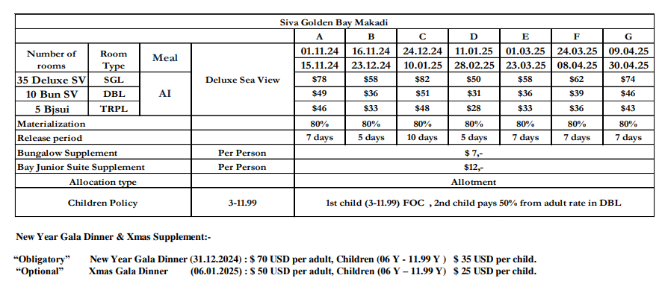
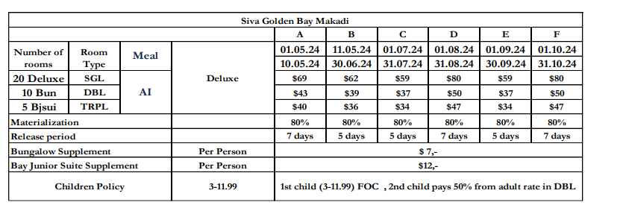

 |  |  |  | 2013-07-17
 |  |  |  | 0.0015316205534

spo from 14.07 to 11.10
first date | second date | SGL-DEX | DBL-DEX | TPL-DEX | SGL-BUN | DBL-BUNG | TPL-BUNG | DBL-BUN+CH | SGL-CH
2024-07-14 | 2024-07-31 | 59 | 74 | 102 | 66 | 88 | 123 | 92.5 | 55.5
2024-08-01 | 2024-08-31 | 51 | 64 | 87 | 58 | 78 | 81 | 80 | 48
2024-09-01 | 2024-09-30 | 53 | 66 | 90 | 60 | 80 | 75 | 82.5 | 49.5
2024-10-01 | 2024-10-31 | 59 | 74 | 102 | 66 | 88 | 75 | 92.5 | 55.5
2024-11-01 | 2024-11-15 | 78 | 98 | 138 | 85 | 112 | 159 | 122.5 | 73.5
2024-11-16 | 2024-12-23 | 58 | 72 | 99 | 65 | 86 | 120 | 90 | 54
2024-12-24 | 2025-01-10 | 82 | 102 | 144 | 89 | 116 | 165 | 127.5 | 76.5
2025-01-11 | 2025-02-28 | 50 | 62 | 84 | 57 | 76 | 105 | 77.5 | 46.5
2025-03-01 | 2025-03-23 | 58 | 72 | 99 | 65 | 86 | 120 | 90 | 54
2025-03-24 | 2025-04-08 | 62 | 78 | 108 | 69 | 92 | 129 | 97.5 | 58.5
2025-04-09 | 2025-04-30 | 74 | 86 | 129 | 81 | 100 | 150 | 107.5 | 64.5

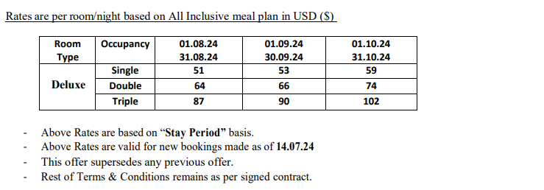
 |  |  |  |  |  |  |  |  |  | 46.5
 |  |  |  |  |  |  |  |  |  | 15.5

spo from 12.10 to 15.11
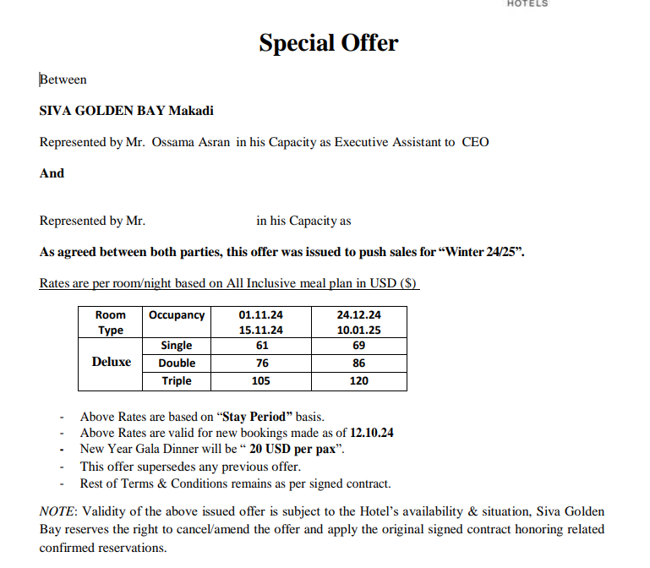
first date | second date | SGL-DEX | DBL-DEX | TPL-DEX | SGL-BUN | DBL-BUNG | TPL-BUNG | DBL-BUN+CH | SGL-CH
2024-10-12 | 2024-10-31 | 59 | 74 | 102 | 66 | 88 | 123 | 92.5 | 55.5
2024-11-01 | 2024-11-15 | 61 | 76 | 105 | 68 | 90 | 126 | 95 | 57
2024-11-16 | 2024-12-23 | 58 | 72 | 99 | 65 | 86 | 120 | 90 | 54
2024-12-24 | 2025-01-10 | 69 | 86 | 120 | 76 | 100 | 141 | 107.5 | 64.5

spo from 16.11 to 28.02
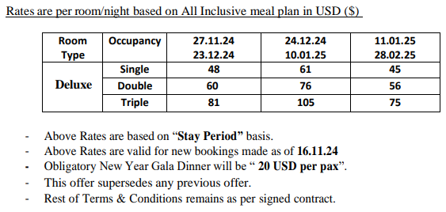
first date | second date | SGL-DEX | DBL-DEX | TPL-DEX | SGL-BUN | DBL-BUNG | TPL-BUNG | DBL-BUN+CH | SGL-CH
2024-11-16 | 2024-11-26 | 58 | 72 | 99 | 65 | 86 | 120 | 107.5 | 54
2024-11-27 | 2024-12-23 | 48 | 60 | 81 | 55 | 74 | 102 | 92.5 | 45
2024-12-24 | 2025-01-10 | 61 | 76 | 105 | 68 | 90 | 126 | 112.5 | 57
2025-01-11 | 2025-02-28 | 45 | 56 | 75 | 52 | 70 | 96 | 87.5 | 42

